Description
Nozzle

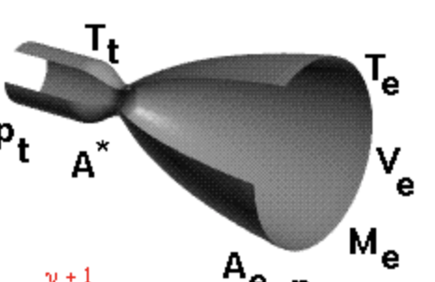
Gas Constant (R) | M = Gas Molecular Weight (Combustion of gaseous/hydrocarbon fuel) = 24
 | Universal Gas Constant (R_bar) = 1545.32 ft-lb/lb(deg)
 | R = R_bar / M
 | R = 1545.32 / 24 = 64.28 ft-lb

Gamma (Ratio of Specific Heats) | Gamma = 1.2

Eaths Gravitation (Gc) | 32.2 ft/sec^2

Nozzle Throat Gas Temperature (t)

